Sheet1
No | Part Number | Brand | Partdesc_En | Partlongdesc_En | Pop | Qtyeach | Vehicle | Picture | Url
1 | CCR-3 | STI | Clutch Starter Safety / Cruise Release Switch | Clutch Starter Safety / Cruise Release Switch | F | 1 | Kia Sephia (01-94) Kia Spectra (04-00) Kia Sportage (00-95) | 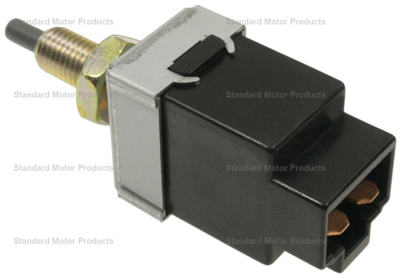 | https://www.standardbrand.com/en/ecatalog?part=CCR3&type=p&search=s
2 | CCR-6 | STI | Clutch Starter Safety / Cruise Release Switch | Clutch Starter Safety / Cruise Release Switch | F | 1 | Porsche 911 (96-94) | 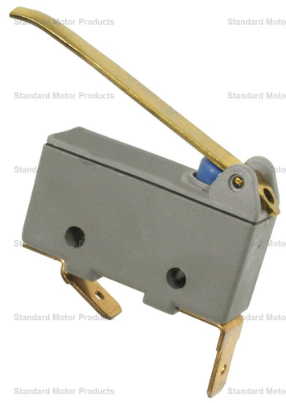 | https://www.standardbrand.com/en/ecatalog?part=CCR6&type=p&search=s
3 | CCR-7 | STD | Clutch Starter Safety Switch | Clutch Starter Safety Switch | F | 1 | Pontiac GTO (05-04) | 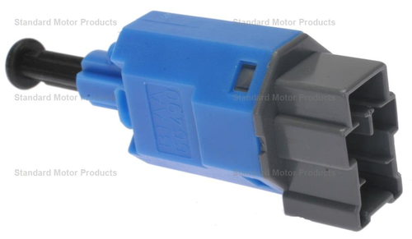 | https://www.standardbrand.com/en/ecatalog?part=CCR7&type=p&search=s
4 | DS-2282 | STI | Clutch Starter Safety Switch | Clutch Starter Safety Switch | F | 1 | Toyota Tacoma (05) | 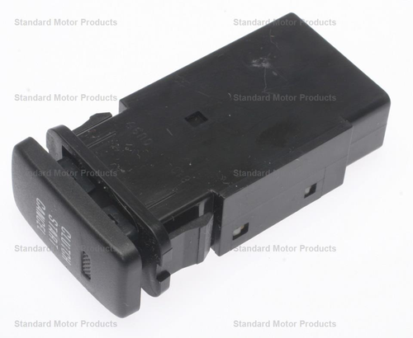 | https://www.standardbrand.com/en/ecatalog?part=DS2282&type=p&search=s
5 | LS-312 | STI | Back-Up Light Switch | Back-Up Light Switch | F | 1 | Mazda B2200 (93) Mazda B2600 (93-87) Mazda Miata (97), (05-99) Mazda Protege (98-95) | 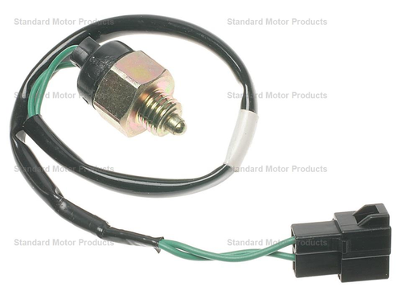 | https://www.standardbrand.com/en/ecatalog?part=LS312&type=p&search=s
6 | NS-35 | STD | Clutch Starter Safety Switch | Clutch Starter Safety Switch | B | 1 | Chevrolet Blazer (95), (91-89) Chevrolet C1500 (96-88) Chevrolet C2500 (96-88) Chevrolet C3500 (96-88) Chevrolet C3500HD (96-91) Chevrolet Camaro (02-87) Chevrolet Cavalier (02-01) Chevrolet Chevy (10-04) Chevrolet Corvette (07), (03-97) Chevrolet K1500 (96-88) Chevrolet K2500 (96-88) Chevrolet K3500 (96-88) Chevrolet R20 (88) Chevrolet R2500 (89) Chevrolet R30 (88) Chevrolet R3500 (91-89) Chevrolet S10 (95-88) Chevrolet S10 Blazer (94-88) Chevrolet V30 (88) Chevrolet V3500 (91-89) GMC C1500 (96-88) GMC C2500 (96-88) GMC C3500 (96-88) GMC C3500HD (96-91) GMC Jimmy (95-92) GMC K1500 (96-88) GMC K2500 (96-88) GMC K3500 (96-88) GMC R2500 (89-88) GMC R3500 (91-88) GMC S15 (90-88) GMC S15 Jimmy (90-88) GMC Sonoma (95-92) GMC V3500 (91-88) Pontiac Firebird (92-87), (02-01) Pontiac Sunfire (05-95) Saab 9-3 (01-00) Saturn Astra (08) Saturn L100 (02) Saturn L200 (02) Saturn LW1 (00) Saturn LW2 (00) Saturn LW200 (02-01) Saturn SC (92-91) Saturn SC1 (02-93) Saturn SC2 (95-93), (02-97) Saturn SL (02), (00-91) Saturn SL1 (02), (00-91) Saturn SL2 (02), (00-91) Saturn SW1 (99-93) Saturn SW2 (00-93) Saturn Vue (07) | 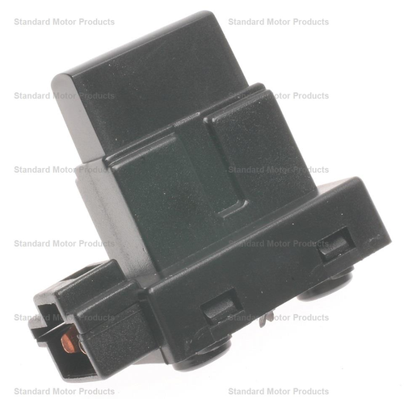 | https://www.standardbrand.com/en/ecatalog?part=NS35&type=p&search=s
7 | NS-56 | STI | Clutch Starter Safety / Cruise Release Switch | Clutch Starter Safety / Cruise Release Switch | D | 1 | Acura Integra (01-86) Acura Legend (90-86) Acura RSX (02) Acura Vigor (94-92) Honda Accord (88-86), (06-05) Honda Civic (05-90) Honda CR-V (06-98) Honda Element (06-03) Honda Fit (08-07) Honda Insight (14), (06-02) Honda Prelude (86-85) Honda S2000 (09-00) | 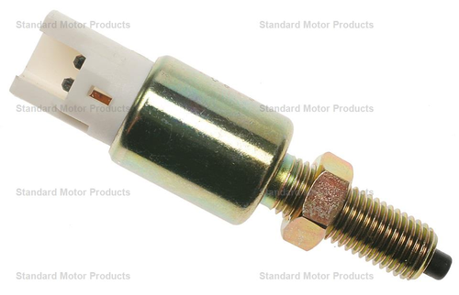 | https://www.standardbrand.com/en/ecatalog?part=NS56&type=p&search=s
8 | NS-63 | STD | Clutch Starter Safety Switch | Clutch Starter Safety Switch | D | 1 | Ford Mustang (04-86) | 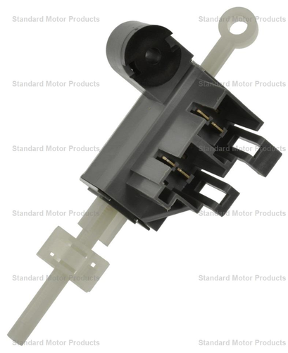 | https://www.standardbrand.com/en/ecatalog?part=NS63&type=p&search=s
9 | NS-68 | STD | Clutch Starter Safety Switch | Clutch Starter Safety Switch | W | 1 | Ford Escort (02-91) Ford Probe (97-90) Mercury Capri (94-91) Mercury Tracer (99-91) | 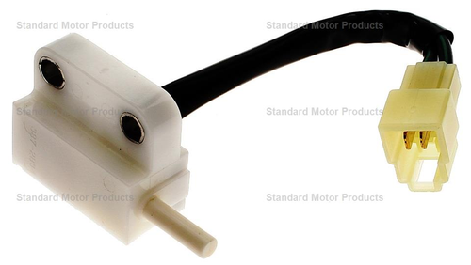 | https://www.standardbrand.com/en/ecatalog?part=NS68&type=p&search=s
10 | NS-69 | STI | Clutch Starter Safety Switch | Clutch Starter Safety Switch | F | 1 | Acura Legend (95-91) | 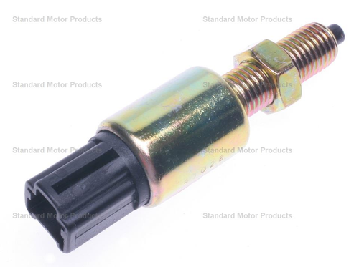 | https://www.standardbrand.com/en/ecatalog?part=NS69&type=p&search=s

